Chapter B
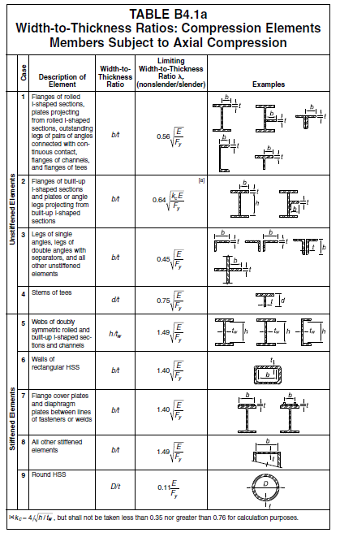
E = | 200,000 | Mpa
Width-to-Thickness Ratios for Compression Members
Section Shape (Width to thick ratio) |  | Shape | Equation | kc = 4/√(h/tw) (0.35~0.76) | Limiting Width to Thickness Ratio λr (nonslender/slender)
 |  |  |  |  | Fy=250Mpa | Fy=345Mpa
(b/tf) for flange |  | H,T,C | 0.56 √(E/Fy) | - | 15.8 | 13.5
 |  | L | 0.45 √(E/Fy) |  | 12.8 | 10.5
 |  | Built Up | 0.64 √(kc E/Fy) | 0.35 | 10.7 | 9.1
 |  |  |  | 0.50 | 12.8 | 10.9
 |  |  |  | 0.76 | 15.8 | 13.4
H (h/tw) for Web |  | H | 1.40 √(E/Fy) | - | 39.6 | 33.7
T (h/tw) for Web |  | T | 0.75 √(E/Fy) | - | 21.2 | 18.1
압축재는 가급적 Slender Member를 지양 함.

Chapter E
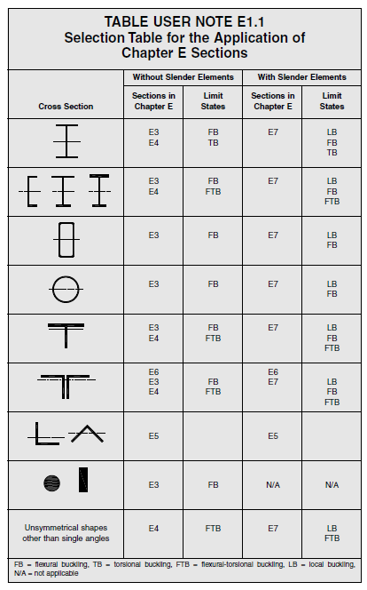
E1. GENERAL PROVISIONS

The nominal compressive strength, Pn, shall be the lowest obtained from (E3) or (E4)

The Design Compressive Strength, ψ Pn
The Allowable Compressive Strength, Pn/Ω

 | ψ=0.9 Ω=1.67
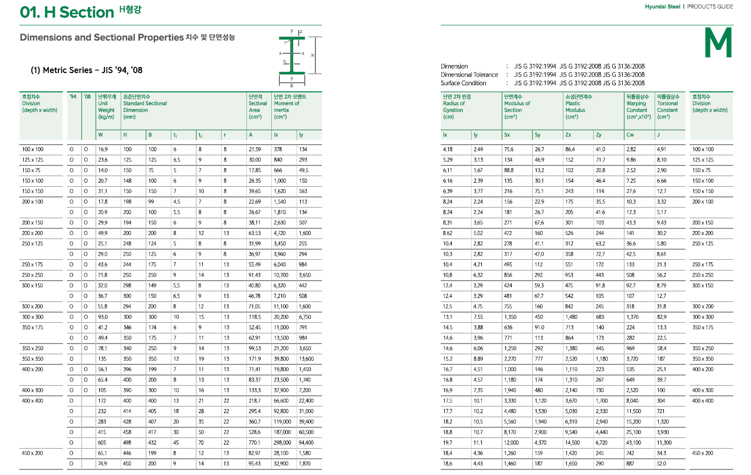

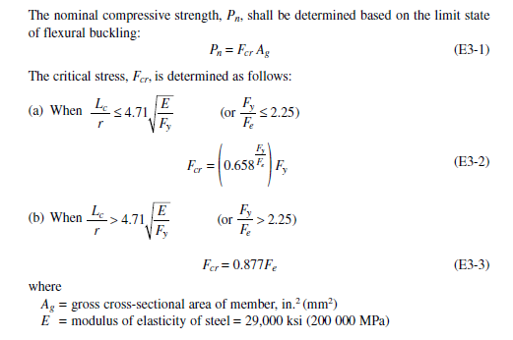
E3. FLEXURAL BUCKLING OF MEMBERS WITHOUT SLENDER ELEMENTS
 | (H, Channel, Box, Pipe, T, 2Ls 형상의 Flexural Buckling인 경우)

$π^{2}$ E / $λ^{2}$
 | E = | 200,000 | Mpa
 | Fe = |  | Mpa | (Elastic buckling stress)
$$4.71\sqrt{\frac{E}{Fy}=}$$
 |  | 133 |  | (Limiting 세장비 for Fy =250Mpa)
 |  | 113 |  | (Limiting 세장비 for Fy =345Mpa)

 | 세장비(λ)에 따른 Critical Stress(Fcr) |  |  | Fy = | 250 | Mpa
 | λ | Fe | Fy/Fe=α | 0.658α | Fcr (E3-2) | Fcr (E3-3) | Pn
 | 1 | 1971920 | 0.00 | 1.00 | 250 | 1729374 | 250Ag
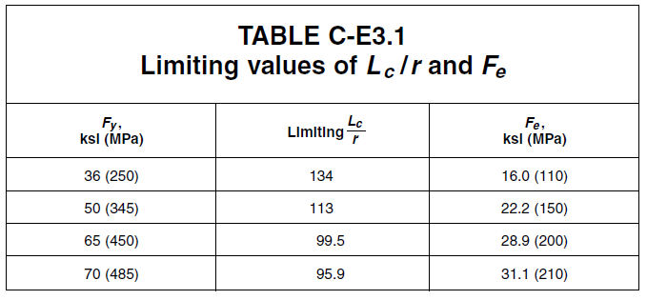
 | 20 | 4930 | 0.05 | 0.98 | 245 | 4323 | 245Ag
 | 40 | 1232 | 0.20 | 0.92 | 230 | 1081 | 230Ag
 | 60 | 548 | 0.46 | 0.83 | 207 | 480 | 207Ag
 | 80 | 308 | 0.81 | 0.71 | 178 | 270 | 178Ag
 | 100 | 197 | 1.27 | 0.59 | 147 | 173 | 147Ag
 | 113 | 154 | 1.62 | 0.51 | 127 | 135 | 127Ag
 | 133 | 111 | 2.24 | 0.39 | 98 | 98 | 98Ag
 | 160 | 77 | 3.25 | 0.26 | 64 | 68 | 68Ag
 | 180 | 61 | 4.11 | 0.18 | 45 | 53 | 53Ag
 | 200 | 49 | 5.07 | 0.12 | 30 | 43 | 43Ag
 | Ag 는 Section Area
 | 세장비(λ)에 따른 Critical Stress(Fcr) |  |  | Fy = | 345 | Mpa
 | λ | Fe | Fy/Fe | 0.658α | Fcr (E3-2) | Fcr (E3-3) | Pn
 | 1 | 1971920 | 0.00 | 1.00 | 345 | 1729374 | 345Ag
 | 20 | 4930 | 0.07 | 0.97 | 335 | 4323 | 335Ag
 | 40 | 1232 | 0.28 | 0.89 | 307 | 1081 | 307Ag
 | 60 | 548 | 0.63 | 0.77 | 265 | 480 | 265Ag
 | 80 | 308 | 1.12 | 0.63 | 216 | 270 | 216Ag
 | 100 | 197 | 1.75 | 0.48 | 166 | 173 | 166Ag
 | 113 | 154 | 2.23 | 0.39 | 135 | 135 | 135Ag
 | 133 | 111 | 3.09 | 0.27 | 94 | 98 | 98Ag
 | 160 | 77 | 4.48 | 0.15 | 53 | 68 | 68Ag
 | 178 | 62 | 5.54 | 0.10 | 34 | 55 | 55Ag
 | 200 | 49 | 7.00 | 0.05 | 18 | 43 | 43Ag
 | Ag 는 Section Area

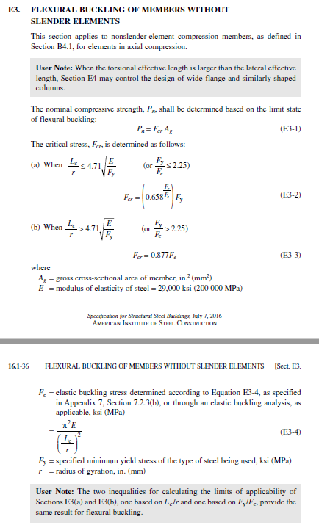
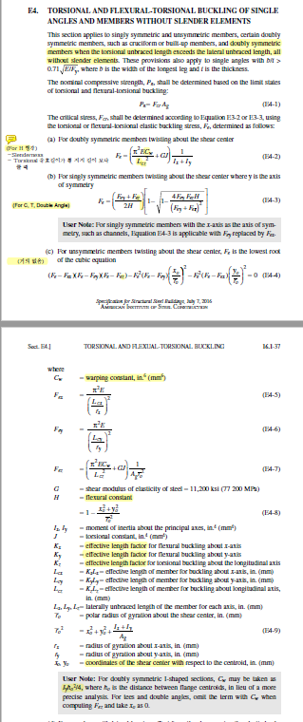
E4. TORSIONAL AND FLEXURAL-TORSIONAL BUCKLING OF SINGLE ANGLES AND MEMBERS
WITHOUT SLENDER ELEMENTS
 | (H, Channel, T, 2Ls 형상의 Flexural-Torsional Buckling인 경우)

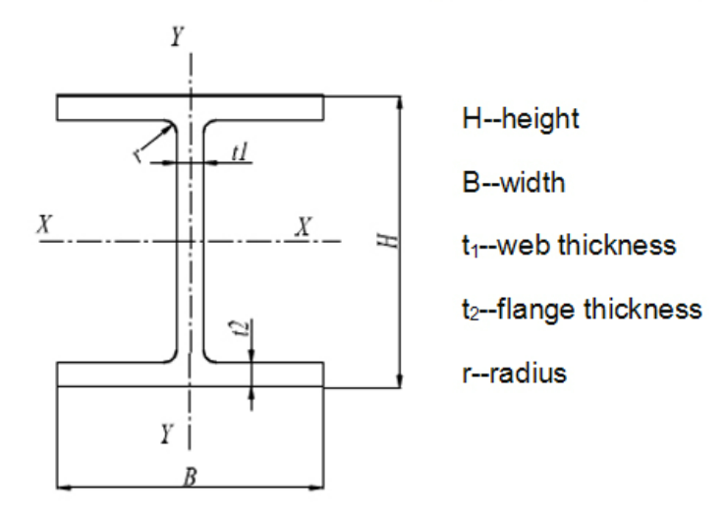
a) For doubly symmetric members(H) twisting about the shear center
(Torsional unbraced length가 횡좌굴 길이를 초과할 경우 지배 함.)
 | Fy = | 345 | Mpa
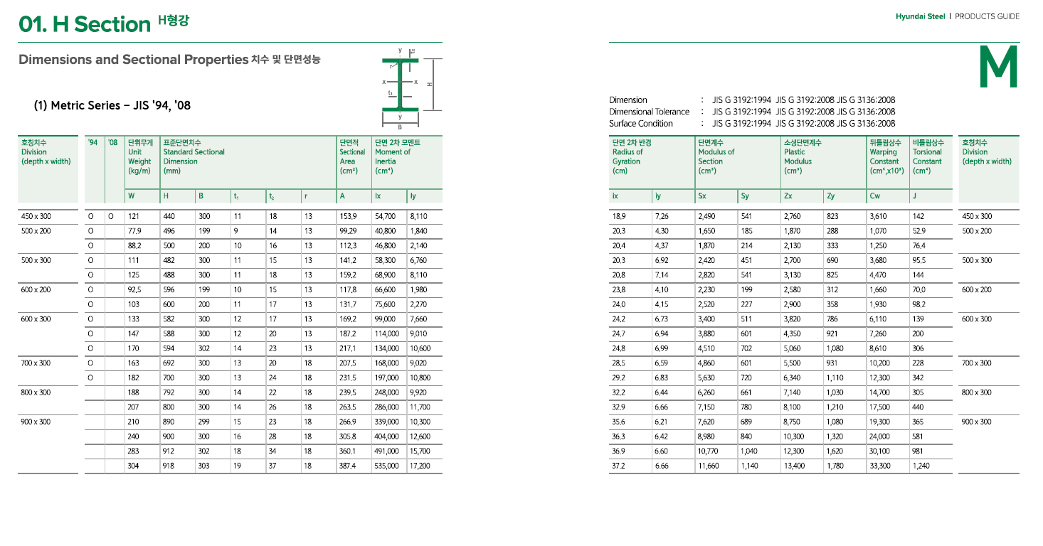
 | H = | 700 | mm
 | B = | 300 | mm
 | tw = | 13 | mm
 | tf = | 24 | mm
 | Cw = | 12338352000000 | mm6 | for warping constant
 | J= | 3242281 | mm4 | for torsional constant
 | Ix = | 1,946,069,925 | mm4
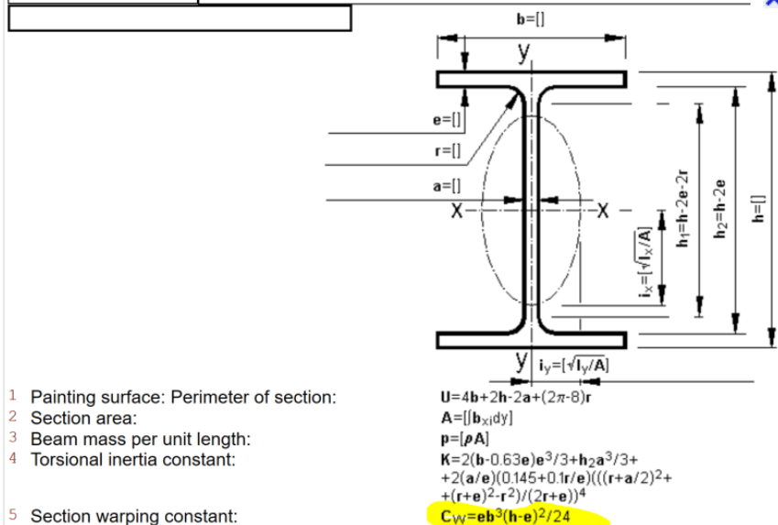
 | Iy = | 108,119,370 | mm4
 | Ag = | 22876 | mm2
 | x0= | 0 | mm | for shear center
 | y0= | 0 | mm | for shear center
 | rx = | 292 | mm | for radius of gyration
 | ry = | 69 | mm | for radius of gyration
 | ro = | 300 |  | for radius of gyration about the shear center

 | Lcx = | 3000 | mm | for effective length |  | λx = | 10.3
 | Lcy= | 3000 | mm | for effective length |  | λy = | 43.6
 | Lcz= | 6000 | mm | for effective length for torsional
 | Fex = | 18639.1 | Mpa | Fy/Fex= | 0.02 | Fcrx= | 342.3 | Mpa
 | Fey = | 1035.5 | Mpa | Fy/Fey= | 0.33 | Fcry= | 300.1 | Mpa
 | Fez= | 450.9 | Mpa | Fy/Fez= | 0.77 | Fcrz= | 250.5 | Mpa
 | ψ= | 0.9
 | Ω= | 1.67
 | ψPn = | 5,156 | kN | =0.9 x Min(Fcrx, Fxry, Fcrz) x Ag
 | Pn/Ω = | 3,431 | kN | =1/1.67 x Min(Fcrx, Fxry, Fcrz) x Ag

Reference
Lcz(mm) | 3000 | 6000 | 9000 | 12000 | 15000 | 18000 | 21000 | 24000
Fe(Mpa) | 1438 | 451 | 268 | 204 | 174 | 158 | 149 | 142

b-1) For singly symmetric members(T) twisting about the shear center where y is the axis of symmetry
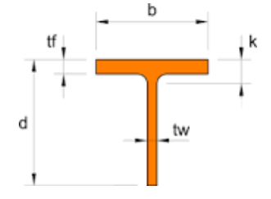
 | Fy = | 345 | Mpa
 | d = | 350 | mm
 | b = | 300 | mm
 | tw = | 13 | mm
 | tf = | 24 | mm
 | Cw = | 2869452000000 | mm6 | for warping constant
 | J= | 1621141 | mm4 | for torsional constant
 | Ix = | 243,258,741 | mm4
 | Iy = | 54,059,685 | mm4
 | Ag = | 11438 | mm2
 | rx = | 146 | mm | y0 = | 2.37
 | ry = | 69 | mm
 | Lcx = | 3000 | mm | for effective length |  | λx = | 20.6
 | Lcy= | 3000 | mm | for effective length |  | λy = | 43.6
 | Lcz= | 6000 | mm | for effective length for torsional
 | Fex = | 1.5 | Mpa | Fy/Fex= | 237.92 | Fcrx= | 1.3 | Mpa
 | Fey = | 0.3 | Mpa | Fy/Fey= | 1070.61 | Fcry= | 0.3 | Mpa
 | Fez= | 2243938.8 | Mpa | Fy/Fet= | 0.00 | Fcrt= | 345.0 | Mpa
 | ψ= | 0.9
 | Ω= | 1.67
 | ψPn = | 3 | kN | =0.9 x Min(Fcrx, Fxry, Fcrt) x Ag
 | Pn/Ω = | 2 | kN | =1/1.67 x Min(Fcrx, Fxry, Fcrt) x Ag

 |  | Lcz = | 8000 | mm
 | Ix(mm4) | Iy(mm4) | Cw(mm6) | J(mm4) | i(mm) | λ | Fe
H-200x200 | 47200000 | 16000000 | 142000000000 | 298000 | 50.2 | 159 | 431.9
H-294x200 | 113000000 | 16000000 | 319000000000 | 358000 | 47.1 | 170 | 289.7
H-400x400 | 666000000 | 224000000 | 8048000000000 | 3030000 | 101 | 79 | 540.5
H-700x300 | 2010000000 | 108000000 | 12367000000000 | 3830000 | 67.8 | 118 | 319.0

일반적으로 built up 부재에서 판의 두께가 작을 때 지배적 임. 그 외는 E3의 약축에 대한 세장비가 지배적이다.

H Section의 Torsional effective length가 양방향 lateral effective length보다 클 때 E4가 지배적임.
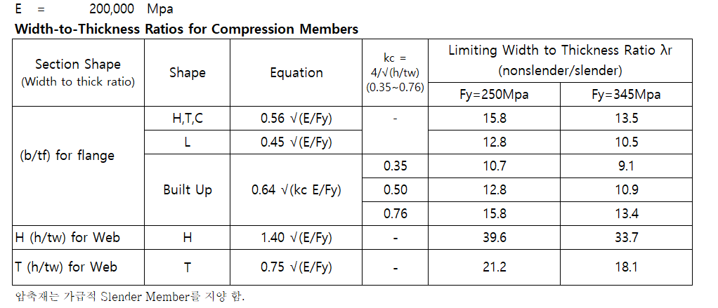

E7. MEMBERS WITH SLENDER ELEMENTS
(Flexural, Torsional, and Flexural-Torsional Buckling with Local Buckling)

1. Slender Element Members Excluding Round HSS

Fy = | 355 | Mpa
Fcr = | 55 | Mpa
λr = | 18.1 |  | for Limiting Width to thickness ratios for compression members
b= | 200 |  | for Member Width
t= | 5 |  | for Member thickness

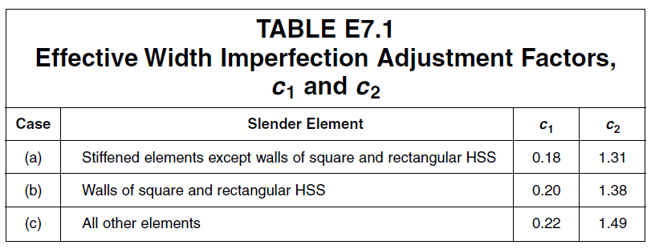
 |  |  |  |  | for Width to thickness ratios for compression members
$λr\sqrt{\frac{Fy}{Fcr}}$=
λ = | 40.0 | < |  | 46.0
c1= | 0.18
c2= | 1.31
Fel= | 125 | Mpa | for Elastic local buckling stress |  |  |  |  | (E7-5)

be1 = |  | = | 219.5 |  |  |  |  | (E7-3)

be = Min{ b or b1 } |  | = | 200.0

H.W
2022-02-09
H.W #1 | AISC 360의 Section E3에 따라서 강재 항복강도 Fy=250Mpa, Fy=345Mpa에 대하여 아래 표와 같이 Excel로 작성
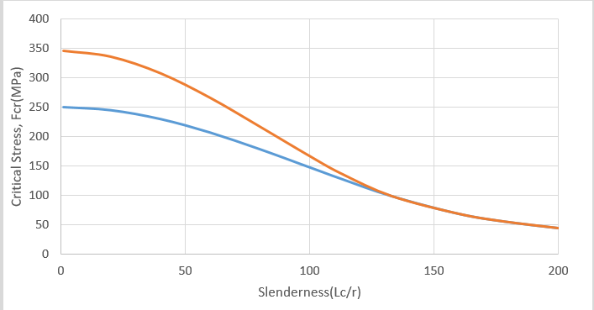

H.W #2 | 상기 그림과 같이 작성된 도표를 이용하여 다음 조건의 기둥의 압축 설계 강도 ? |  |  | (Design Example E.1D 참조)
 |  |  |  |  |  | Unit- kN.mm
 | 부재 형상 | kLx(S) | kLy(W) | ψPn | Pn/ψ | 단위무게
 | H-248 x 249x 8 x 13 | 3000 | 3000 |  |  | 66kg/m
 | H-248 x 249x 8 x 13 | 6000 | 3000
 | H-248 x 249x 8 x 13 | 3000 | 6000
 | H-248 x 249x 8 x 13 | 6000 | 6000
 | H-400 x 200 x 8 x 13 | 3000 | 3000 |  |  | 66kg/m
 | H-400 x 200 x 8 x 13 | 6000 | 3000
 | H-400 x 200 x 8 x 13 | 3000 | 6000
 | H-400 x 200 x 8 x 13 | 6000 | 6000

